styles
Style Name | Description | Style Format | Properties | Style Type | All Styles | No Clusters | Edges Only | Nodes Only
node |  |  |  | node | yes | yes | no | yes
edge |  |  |  | edge | yes | yes | yes | no
subgraph-open |  |  |  | subgraph-open | yes | no | no | no | 
subgraph-close |  |  |  | subgraph-close | yes | no | no | no
keyword |  |  |  | keyword | yes | yes | yes | yes
native |  |  |  | native | yes | yes | yes | yes
Border 0 Begin |  | penwidth=2 fontname="Calibri Bold" fontsize=16 margin=18 |  | subgraph-open | yes | no | no | no | 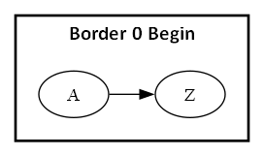
Border 0 End |  |  |  | subgraph-close | yes | no | no | no
Border 1 Begin |  | penwidth=1 colorscheme=pastel19 fillcolor=9 fontname="Calibri Bold" fontsize=12 style=filled margin=18 |  | subgraph-open | yes | no | no | no | 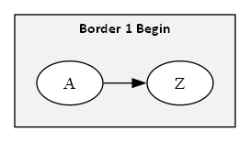
Border 1 End |  |  |  | subgraph-close | yes | no | no | no
Border 2 Begin |  | penwidth=1 colorscheme=pastel19 fillcolor=8 fontname="Calibri Bold" fontsize=12 style=filled margin=18 |  | subgraph-open | yes | no | no | no | 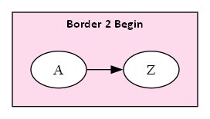
Border 2 End |  |  |  | subgraph-close | yes | no | no | no
Border 3 Begin |  | penwidth=1 colorscheme=pastel19 fillcolor=7 fontname="Calibri Bold" fontsize=12 style=filled margin=18 |  | subgraph-open | yes | no | no | no | 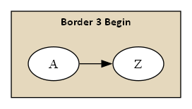
Border 3 End |  |  |  | subgraph-close | yes | no | no | no
Border 4 Begin |  | penwidth=1 colorscheme=pastel19 fillcolor=6 fontname="Calibri Bold" fontsize=12 style=filled margin=18 |  | subgraph-open | yes | no | no | no | 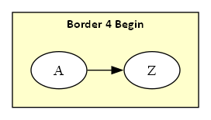
Border 4 End |  |  |  | subgraph-close | yes | no | no | no
Border 5 Begin |  | penwidth=1 colorscheme=pastel19 fillcolor=5 fontname="Calibri Bold" fontsize=12 style=filled margin=18 |  | subgraph-open | yes | no | no | no | 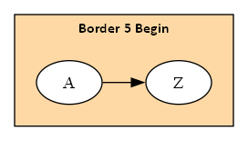
Border 5 End |  |  |  | subgraph-close | yes | no | no | no
Component |  | shape=component height="0.75" width="1.25" fixedsize=True fillcolor=White fontname=Calibri fontsize=10 style=filled |  | node | yes | yes | no | yes
Decision |  | shape=diamond height="0.75" width="1.25" fixedsize=True fillcolor=White fontname=Calibri fontsize=10 style=filled |  | node | yes | yes | no | yes
Event |  | shape=rectangle height="0.375" width="1.25" fixedsize=True fillcolor=White fontname=Calibri fontsize=10 style="rounded,filled" |  | node | yes | yes | no | yes
Extract |  | shape=triangle height="0.75" width="1.25" fixedsize=True fillcolor=White fontname=Calibri fontsize=10 style=filled |  | node | yes | yes | no | yes
File |  | shape=note height="0.75" width="0.5" fixedsize=True fillcolor=White fontname=Calibri fontsize=10 style=filled |  | node | yes | yes | no | yes
Folder |  | shape=folder height="0.5" width="0.75" fixedsize=True fillcolor=White fontname=Calibri fontsize=10 style=filled |  | node | yes | yes | no | yes
Flow |  | fontname=Calibri fontsize=10 weight=10 |  | edge | yes | yes | yes | no
Flow - Dotted |  | fontname=Calibri fontsize=10 weight=100 decorate=false style=dotted arrowhead=none |  | edge | yes | yes | yes | no
Flow - Negative |  | fontname=Calibri fontsize=10 weight=100 decorate=false color=red fontcolor=red |  | edge | yes | yes | yes | no
Flow - Positive |  | fontname=Calibri fontsize=10 weight=100 decorate=false color=darkgreen fontcolor=darkgreen |  | edge | yes | yes | yes | no
Input |  | shape=parallelogram height="0.75" width="1.25" fixedsize=True fillcolor=White fontname=Calibri fontsize=10 style=filled |  | node | yes | yes | no | yes
Invisible Edge |  | style=invis color=Invis |  | edge | yes | yes | yes | no
Invisible Point |  | shape=point fillcolor=Invis color=Invis style=filled |  | node | yes | yes | no | yes
Manual Operation |  | shape=invtrapezium height="0.75" width="1.25" fixedsize=True fillcolor=White fontname=Calibri fontsize=10 style=filled |  | node | yes | yes | no | yes
Merge |  | shape=invtriangle height="0.75" width="1.25" fixedsize=True fillcolor=White fontname=Calibri fontsize=10 style=filled |  | node | yes | yes | no | yes
Off Page Reference |  | shape=invhouse height="0.625" width="0.625" fixedsize=True fillcolor=White fontname=Calibri fontsize=10 style=filled |  | node | yes | yes | no | yes
On Page Reference |  | shape=circle height="0.625" width="0.625" fixedsize=True fillcolor=White fontname=Calibri fontsize=10 style=filled |  | node | yes | yes | no | yes
Output |  | shape=parallelogram height="0.75" width="1.25" fixedsize=True fillcolor=White fontname=Calibri fontsize=10 style=filled |  | node | yes | yes | no | yes
Point |  | shape=point |  | node | yes | yes | no | yes
Predefined Process |  | shape=rectangle height="0.75" width="1.25" fixedsize=True fillcolor=White fontname=Calibri fontsize=10 style="diagonals,filled" |  | node | yes | yes | no | yes
Preparation |  | shape=hexagon height="0.75" width="1.25" fixedsize=True fillcolor=White fontname=Calibri fontsize=10 style=filled |  | node | yes | yes | no | yes
Process |  | shape=rect height="0.75" width="1.25" fixedsize=True fillcolor=White fontname=Calibri fontsize=10 style=filled |  | node | yes | yes | no | yes
Stop |  | shape=octagon height="0.75" width="0.75" fixedsize=True color=Red fillcolor=white fontname=Calibri fontsize=10 style=filled |  | node | yes | yes | no | yes
edge-with-style |  | style=dashed color=red penwidth=3 |  | edge | yes | yes | yes | no
node-with-shape |  | shape=polygon sides=5 color=navy fillcolor=khaki1 fixedsize=True fontcolor=red fontname=Arial style=filled height="1.00" width="1.00" |  | node | yes | yes | no | yes | 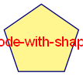
node-with-image |  | shape=none fixedsize=True fontcolor=red height="1.50" width="1.50" image="Computer_Programmer.png" |  | node | yes | yes | no | yes | 